TIMER
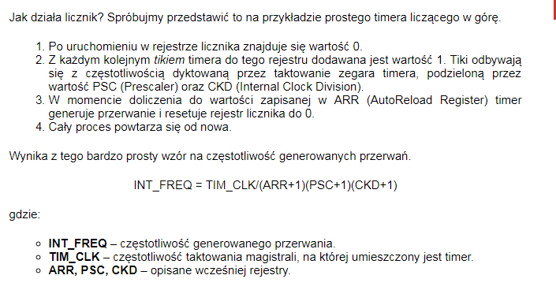
 | INT_FREQ | 1000 | Hz czyli x/sek
 | tick co | 0.001 | sekundy
 | tick co | 1 | milisekundy

TIM_CLK | FCLK | 72 | MHz
TIM_CLK | FCLK | 72000000 | Hz
Prescaler | PSC | 65535 | max 65535
Internal Clock Division | CKD | 1 | max 65535
Counter Period (AutoReload Register) | ARR | -0.45068359375 | max 65535

FREQ
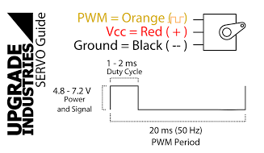
 | INT_FREQ | 50.00 | Hz czyli x/sek
 | tick co | 0.02 | sekundy
 | tick co | 20.00 | milisekundy

TIM_CLK | FCLK | 64.00 | MHz
TIM_CLK | FCLK | 64000000.00 | Hz
Prescaler | PSC | 19.00 | max 65535
Internal Clock Division | CKD | 0.00 | max 65535
Counter Period (AutoReload Register) | ARR | 63999.00 | max 65535

 | tick co | 20.00 | ms
 | f= | 50.00 | Hz

 |  | CCR
 | krok CCR | 0.0003125 | ms = 1/64000 z 20ms
 | 1.5 | 4800.00
 | 1 | 3200.00
 | 2 | 6400.00
 | 20 | 64000.00
 |  | 0.00
 |  | 0.00
 |  | 0.00

